Introduction
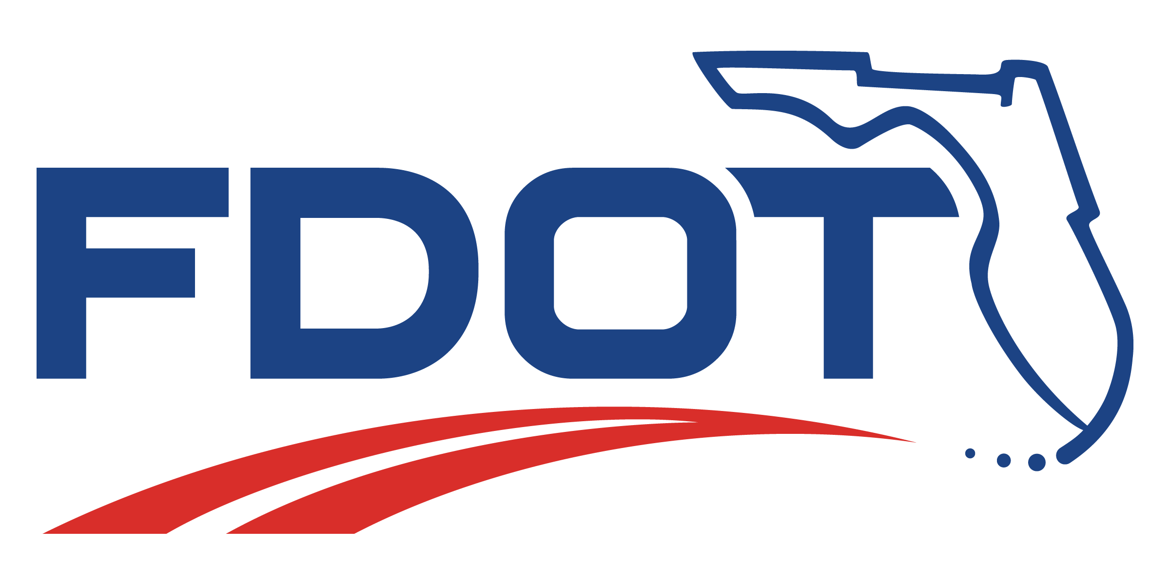
This tool was developed from research done for Fast-Food Restaurants with drive-throughs and for Coffee/Donut Shops with drive-throughs.
This research was completed for the Florida Department of Transportation (FDOT) Research Center. Agreement #BEF47.
 | FDOT PM: | Gina Bonyani, Systems Implementation Office
 | Principal Investigator: | Drew Roark, PE
 | Assistant Investigator: | Bill Oliver, PE

This tool is intended to be used to estimate the queues associated with drive-throughs at these land use types.

